1NF
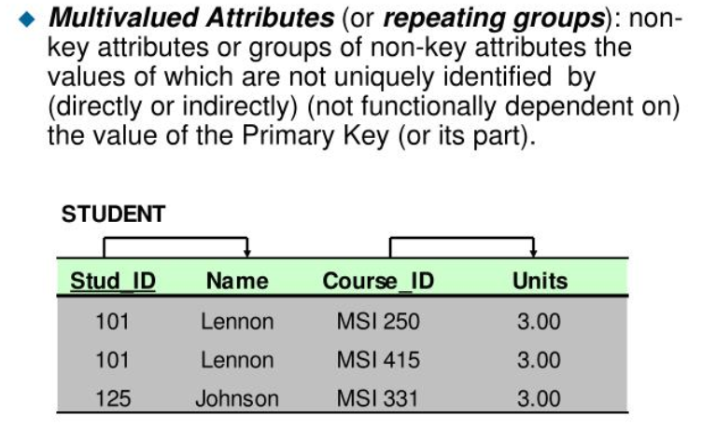

Employee table |  |  |  |  |  |  |  |  |  | Project Table
num_project | num_employee | name_employee | street_address | city | postal_code | num_jobclass | name_jobclass | chr_per_hour | hours_billled
15 | 103 | June E. Arbough | Pazmaniteng 24-9 | Vienna | A-1020 | E01 | Elec. Engineering | € 84.50 | 23.8 | num project | name project
15 | 101 | John G. News | Weihburggasse 26 | Vienna | A-1020 | E02 | Database Designer | € 105.00 | 19.4 | 15 | Evergreen
15 | 105 | Alice K. Johnson | Pazmaniteng 25-19 | Vienna | A-1020 | E02 | Database Designer | € 105.00 | 35.7 | 18 | Amber Wave
15 | 106 | William Smithfield | Gartenweg 8 | Rafing | A-1010 | E03 | Programmer | € 35.75 | 12.6 | 22 | Einsten
15 | 102 | David H. Senior | Wiener Hauptstraße 10/A/4/15 | Wien | A-1014 | E04 | System Analyst | € 96.75 | 23.8 | 25 | Phoenix
18 | 114 | Annelise Jones | Pazmaniteng 1-1 | Vienna | A-1020 | E05 | Application Desiger | € 48.10 | 24.6
18 | 118 | James J. Frommer | Gartenweg 20 | Rafing | A-1010 | E06 | General Support | € 18.36 | 45.3
18 | 104 | Anne K. Ramoras | Sterzinger Straße 1 | Innsbruck | A-6020 | E04 | System Analyst | € 96.75 | 32.4
18 | 112 | Darlene M. Smithson | Liebiggasse 5/1/5 | Wien | A-1014 | E07 | DSS Analyst | € 45.95 | 44
22 | 105 | Alice K. Johnson | Pazmaniteng 25-19 | Vienna | A-1020 | E02 | Database Designer | € 105.00 | 64.7
22 | 104 | Anne K. Ramoras | Sterzinger Straße 1 | Innsbruck | A-6020 | E04 | System Analyst | € 96.75 | 48.4
22 | 113 | Delbert K. Joenbrood | Liebiggasse 3/1/10 | Wien | A-1014 | E05 | Application Desiger | € 48.10 | 23.6
22 | 111 | Geoff B. Wabash | Krakaudorf 32 | Krakaudorf | A-8854 | E08 | Clerical Support | € 26.87 | 22
22 | 106 | William Smithfield | Gartenweg 8 | Rafing | A-1010 | E03 | Programmer | € 35.75 | 12.8
25 | 107 | Maria D. Alonzo | Krakaudorf 11 | Krakaudorf | A-8854 | E03 | Programmer | € 35.75 | 24.6
25 | 115 | Travis B. Bawangi | Liebiggasse 3/1/10 | Wien | A-1014 | E04 | System Analyst | € 96.75 | 45.8
25 | 101 | John G. News | Weihburggasse 26 | Vienna | A-1020 | E02 | Database Designer | € 105.00 | 56.3
25 | 114 | Annelise Jones | Pazmaniteng 1-1 | Vienna | A-1020 | E05 | Application Desiger | € 48.10 | 33.1
25 | 108 | Ralph B. Washington | Krakaudorf 22 | Krakaudorf | A-8854 | E04 | System Analyst | € 96.75 | 23.6
25 | 118 | James J. Frommer | Gartenweg 20 | Rafing | A-1010 | E06 | General Support | € 18.36 | 30.5
25 | 112 | Darlene M. Smithson | Liebiggasse 5/1/5 | Wien | A-1014 | E07 | DSS Analyst | € 45.95 | 41.4

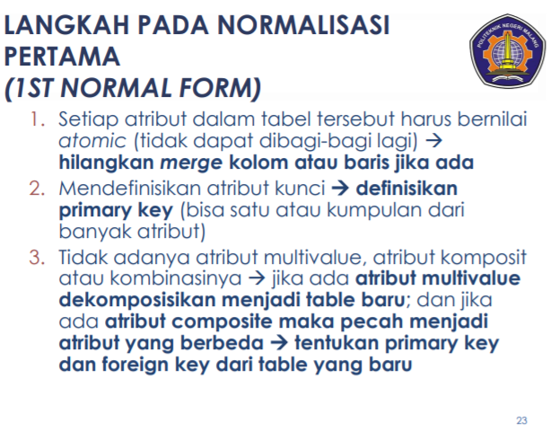
 | no need to put name_project attributes here

2NF-Fung Dep&Partial Dep
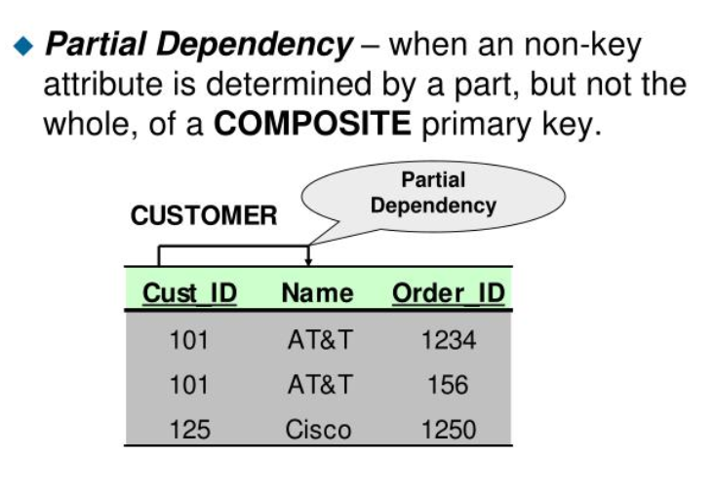
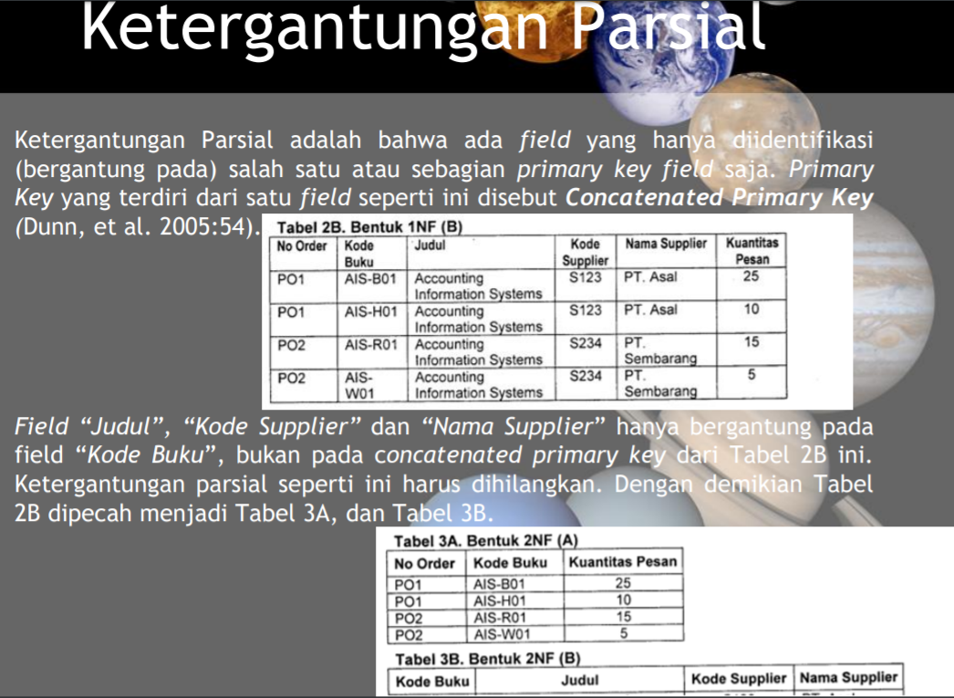
how to rerieve data without losing it?
this table shows us about how to get data in 2NF normalization
num_project | num_employee | num_jobclass | hours_billled | Project |  | Employee |  |  |  |  | Jobclass |  |  | hours
15 | 103 | E01 | 23.8 | num project | name project | num_employee | name_employee | street_address | city | postal_code | num_jobclass | name_jobclass | chr_per_hour | num project | num_employee | num_jobclass | hours_billled
15 | 101 | E02 | 19.4 | 15 | Evergreen | 101 | John G. News | Weihburggasse 26 | Vienna | A-1020 | E01 | Elec. Engineering | € 84.50 | 15 | 101 | E02 | 19.4
15 | 105 | E02 | 35.7 | 18 | Amber Wave | 102 | David H. Senior | Wiener Hauptstraße 10/A/4/15 | Wien | A-1014 | E02 | Database Designer | € 105.00 | 15 | 102 | E04 | 23.8
15 | 106 | E03 | 12.6 | 22 | Einsten | 103 | June E. Arbough | Pazmaniteng 24-9 | Vienna | A-1020 | E03 | Programmer | € 35.75 | 15 | 103 | E01 | 23.8
15 | 102 | E04 | 23.8 | 25 | Phoenix | 104 | Anne K. Ramoras | Sterzinger Straße 1 | Innsbruck | A-6020 | E04 | System Analyst | € 96.75 | 15 | 105 | E02 | 35.7
18 | 114 | E05 | 24.6 |  |  | 105 | Alice K. Johnson | Pazmaniteng 25-19 | Vienna | A-1020 | E05 | Application Desiger | € 48.10 | 15 | 106 | E03 | 12.6
18 | 118 | E06 | 45.3 |  |  | 106 | William Smithfield | Gartenweg 8 | Rafing | A-1010 | E06 | General Support | € 18.36
18 | 104 | E04 | 32.4 |  |  | 107 | Maria D. Alonzo | Krakaudorf 11 | Krakaudorf | A-8854 | E07 | DSS Analyst | € 45.95 | 18 | 104 | E04 | 32.4
18 | 112 | E07 | 44 |  |  | 108 | Ralph B. Washington | Krakaudorf 22 | Krakaudorf | A-8854 | E08 | Clerical Support | € 26.87 | 18 | 112 | E07 | 44
22 | 105 | E02 | 64.7 |  |  | 111 | Geoff B. Wabash | Krakaudorf 32 | Krakaudorf | A-8854 |  |  |  | 18 | 114 | E05 | 24.6
22 | 104 | E04 | 48.4 |  |  | 112 | Darlene M. Smithson | Liebiggasse 5/1/5 | Wien | A-1014 |  |  |  | 18 | 118 | E06 | 45.3
22 | 113 | E05 | 23.6 |  |  | 113 | Delbert K. Joenbrood | Liebiggasse 3/1/10 | Wien | A-1014
22 | 111 | E08 | 22 |  |  | 114 | Annelise Jones | Pazmaniteng 1-1 | Vienna | A-1020 |  |  |  | 22 | 104 | E04 | 48.4
22 | 106 | E03 | 12.8 |  |  | 115 | Travis B. Bawangi | Liebiggasse 3/1/10 | Wien | A-1014 |  |  |  | 22 | 105 | E02 | 64.7
25 | 107 | E03 | 24.6 |  |  | 118 | James J. Frommer | Gartenweg 20 | Rafing | A-1010 |  |  |  | 22 | 106 | E03 | 12.8
25 | 115 | E04 | 45.8 |  |  |  |  |  |  |  |  |  |  | 22 | 111 | E08 | 22
25 | 101 | E02 | 56.3 |  |  |  |  |  |  |  |  |  |  | 22 | 111 | E08 | 22
25 | 114 | E05 | 33.1
25 | 108 | E04 | 23.6 |  |  |  |  |  |  |  |  |  |  | 25 | 101 | E02 | 56.3
25 | 118 | E06 | 30.5 |  |  |  |  |  |  |  |  |  |  | 25 | 107 | E03 | 24.6
25 | 112 | E07 | 41.4 |  |  |  |  |  |  |  |  |  |  | 25 | 108 | E04 | 23.6
 |  |  |  |  |  |  |  |  |  |  |  |  |  | 25 | 112 | E07 | 41.4
 |  |  |  |  |  |  |  |  |  |  |  |  |  | 25 | 114 | E05 | 33.1
 |  |  |  |  |  |  |  |  |  |  |  |  |  | 25 | 115 | E04 | 45.8
 |  |  |  |  |  | partial dependency |  |  |  |  |  |  |  | 25 | 118 | E06 | 30.5
 |  |  |  |  |  | hours_billed depends on numprojrct,
 |  |  |  |  |  | numemployee,numjobclass

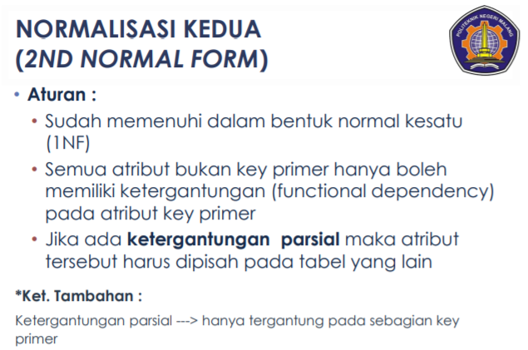
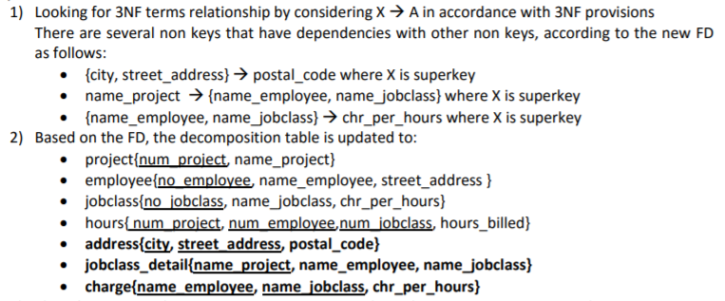

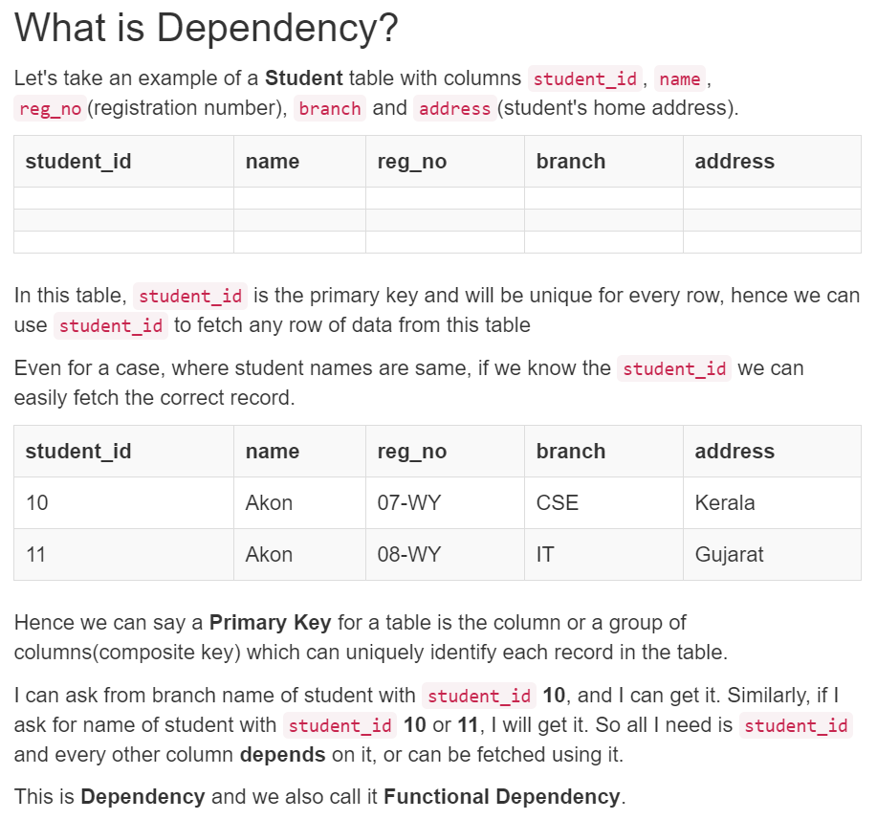

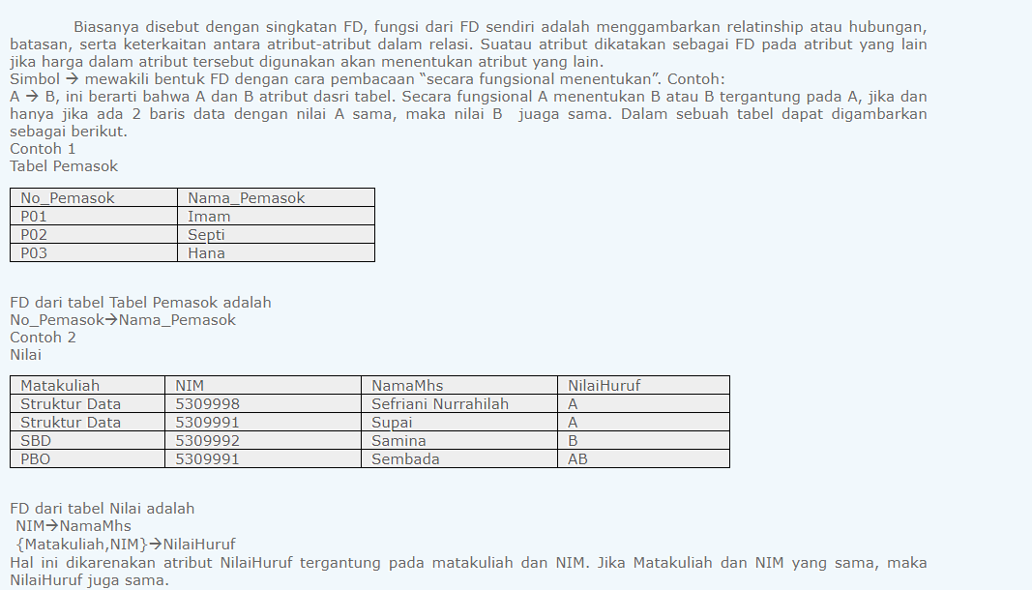

For complete tutorial please open this link , it will tell us about dependency in database
https://www.studytonight.com/dbms/second-normal-form.php

3NF_trans dep
Project |  | Employee |  |  |  | Jobclass |  |  | hours
num project | name project | num_employee | name_employee | street_address |  | num_jobclass | name_jobclass | chr_per_hour | num project | num_employee | num_jobclass | hours_billled
15 | Evergreen | 101 | John G. News | Weihburggasse 26 |  | E01 | Elec. Engineering | € 84.50 | 15 | 101 | E02 | 19.4
18 | Amber Wave | 102 | David H. Senior | Wiener Hauptstraße 10/A/4/15 |  | E02 | Database Designer | € 105.00 | 15 | 102 | E04 | 23.8
22 | Einsten | 103 | June E. Arbough | Pazmaniteng 24-9 |  | E03 | Programmer | € 35.75 | 15 | 103 | E01 | 23.8
25 | Phoenix | 104 | Anne K. Ramoras | Sterzinger Straße 1 |  | E04 | System Analyst | € 96.75 | 15 | 105 | E02 | 35.7
 |  | 105 | Alice K. Johnson | Pazmaniteng 25-19 |  | E05 | Application Desiger | € 48.10 | 15 | 106 | E03 | 12.6
 |  | 106 | William Smithfield | Gartenweg 8 |  | E06 | General Support | € 18.36
 |  | 107 | Maria D. Alonzo | Krakaudorf 11 |  | E07 | DSS Analyst | € 45.95 | 18 | 104 | E04 | 32.4
 |  | 108 | Ralph B. Washington | Krakaudorf 22 |  | E08 | Clerical Support | € 26.87 | 18 | 112 | E07 | 44
 |  | 111 | Geoff B. Wabash | Krakaudorf 32 |  |  |  |  | 18 | 114 | E05 | 24.6
 |  | 112 | Darlene M. Smithson | Liebiggasse 5/1/5 |  |  |  |  | 18 | 118 | E06 | 45.3
 |  | 113 | Delbert K. Joenbrood | Liebiggasse 3/1/10
 |  | 114 | Annelise Jones | Pazmaniteng 1-1 |  |  |  |  | 22 | 104 | E04 | 48.4
 |  | 115 | Travis B. Bawangi | Liebiggasse 3/1/10 |  |  |  |  | 22 | 105 | E02 | 64.7
 |  | 118 | James J. Frommer | Gartenweg 20 |  |  |  |  | 22 | 106 | E03 | 12.8
 |  |  |  |  |  | jobclass_detail |  |  | 22 | 111 | E08 | 22
 |  |  | Adress |  |  | num project | num_employee | num_jobclass | 22 | 111 | E08 | 22
 |  |  | street_address | postal_code | city | 15 | 101 | E02
 |  |  | Gartenweg 8 | A-1010 | Rafing | 15 | 102 | E04 | 25 | 101 | E02 | 56.3
 |  |  | Gartenweg 20 | A-1011 | Rafing | 15 | 103 | E01 | 25 | 107 | E03 | 24.6
 |  |  | Wiener Hauptstraße 10/A/4/15 | A-1014 | Wien | 15 | 105 | E02 | 25 | 108 | E04 | 23.6
 |  |  | Liebiggasse 5/1/5 | A-1015 | Wien | 15 | 106 | E03 | 25 | 112 | E07 | 41.4
 |  |  | Liebiggasse 3/1/10 | A-1016 | Wien | 18 | 104 | E04 | 25 | 114 | E05 | 33.1
 |  |  | Liebiggasse 3/1/10 | A-1017 | Wien | 18 | 112 | E07 | 25 | 115 | E04 | 45.8
 |  |  | Weihburggasse 26 | A-1020 | Vienna | 18 | 114 | E05 | 25 | 118 | E06 | 30.5
 |  |  | Pazmaniteng 24-9 | A-1021 | Vienna | 18 | 118 | E06
 |  |  | Pazmaniteng 25-19 | A-1022 | Vienna | 22 | 104 | E04
 |  |  | Pazmaniteng 1-1 | A-1023 | Vienna | 22 | 105 | E02 |  | charge
 |  |  | Krakaudorf 11 | A-8854 | Krakaudorf | 22 | 106 | E03 |  | name_employee | name_jobclass | chr_per_hour
 |  |  | Krakaudorf 22 | A-8855 | Krakaudorf | 22 | 111 | E08 |  | John G. News | Database Designer | € 105.00
 |  |  | Krakaudorf 32 | A-8856 | Krakaudorf | 22 | 111 | E08 |  | David H. Senior | System Analyst | € 96.75
 |  |  | Sterzinger Straße 1 | A-6020 | Innsbruck | 25 | 101 | E02 |  | June E. Arbough | Elec. Engineering | € 84.50
 |  |  |  |  |  | 25 | 107 | E03 |  | Alice K. Johnson | Database Designer | € 105.00
 |  |  |  |  |  | 25 | 108 | E04 |  | William Smithfield | Programmer | € 35.75
 |  |  |  |  |  | 25 | 112 | E07 |  | Anne K. Ramoras | System Analyst | € 96.75
 |  |  |  |  |  | 25 | 114 | E05 |  | Darlene M. Smithson | DSS Analyst | € 45.95
 |  |  |  |  |  | 25 | 115 | E04 |  | Annelise Jones | Application Desiger | € 48.10
 |  |  |  |  |  | 25 | 118 | E06 |  | James J. Frommer | General Support | € 18.36
 |  |  |  |  |  |  |  |  |  | Geoff B. Wabash | Clerical Support | € 26.87
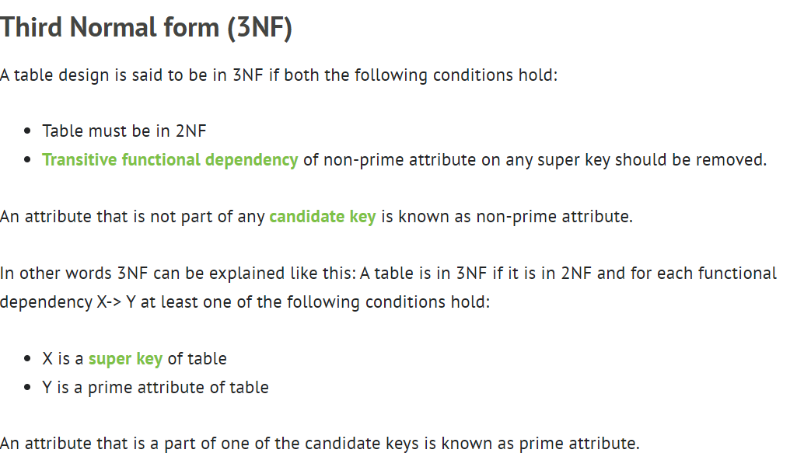

 |  |  |  |  |  |  |  |  |  |  |  |  | we can change it into num_project, num_employee, num_jobclass
 |  |  |  |  |  |  |  |  |  |  |  |  | we can change it into num_employee, num_jobclass, chr_per hour

 |  |  |  |  |  |  |  |  |  |  |  |  | we better use primary key,foreign key in each relation table we make

 | mostly database design just until 3NF (4NF, 5NF) rarely used

